7
Intercept & Azimuth by Law of Cosines |  |  |  |  |  |  |  | Body | Moon LL
Celestial Sight Reduction Program, a GPL licensed Excel spreadsheet |  |  |  |  |  |  |  | Zulu Date | 2025-07-31
 |  | INPUTS |  |  |  |  |  | UT | 1:19:47
 |  | whole degrees | decimal minutes | Pole | decimal degrees | radians (Excel) | Make copies of this blank tab to use
 |  | ( ° ) | (0.0') | (N/S) | (0.00000° )
 | LHA | 337 | 16.5 |  | 337.27500 | 5.8865592347
 | Lat | 29 | 25.9 |  | 29.43167 | 0.51367948768 | Enter Lat as positive
 | Dec | -11 | 11.4 |  | -10.81000 | -0.18867009214 | If Lat/Dec contrary, then Dec negative
 | Ho | 44 | 7.2 |  | 44.12000 | 0.77003926598

 |  | OUTPUTS
 | Hc | 44 | 10.8 |  | 44.17999 | 0.77109
 |  | a | 3.6 | nm | Away
 |  | Z | 148 | degress | TRUE | 2.5840414106

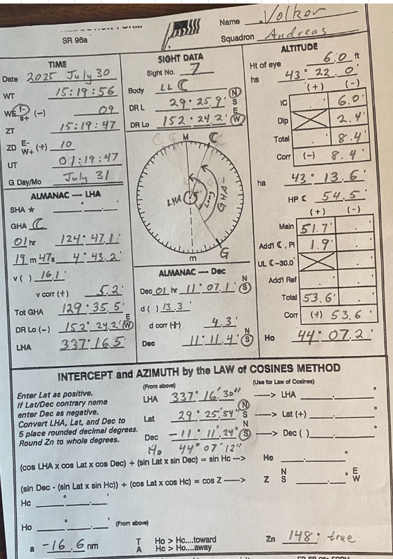

6
Intercept & Azimuth by Law of Cosines |  |  |  |  |  |  |  | Body | Sun LL
Celestial Sight Reduction Program, a GPL licensed Excel spreadsheet |  |  |  |  |  |  |  | Date | 2025-07-24
 |  | INPUTS |  |  |  |  |  | UT | 20:40:45
 |  | whole degrees | decimal minutes | Pole | decimal degrees | radians (Excel) | Make copies of this blank tab to use
 |  | ( ° ) | (0.0') | (N/S) | (0.00000° )
 | LHA | 275 | 39.1 |  | 275.65167 | 4.8110291719
 | Lat | 28 | 49.4 |  | 28.82333 | 0.50306206807 | Enter Lat as positive
 | Dec | 19 | 40.2 |  | 19.67000 | 0.34330626387 | If Lat/Dec contrary, then Dec negative
 | Ho | 72 | 1.4 |  | 72.02333 | 1.2570443049

 |  | OUTPUTS
 | Hc | 14 | 5.7 |  | 14.09465 | 0.24600
 |  | a | -3475.7 | nm | Away
 |  | Z | 75 | degress | TRUE | 1.3098874509

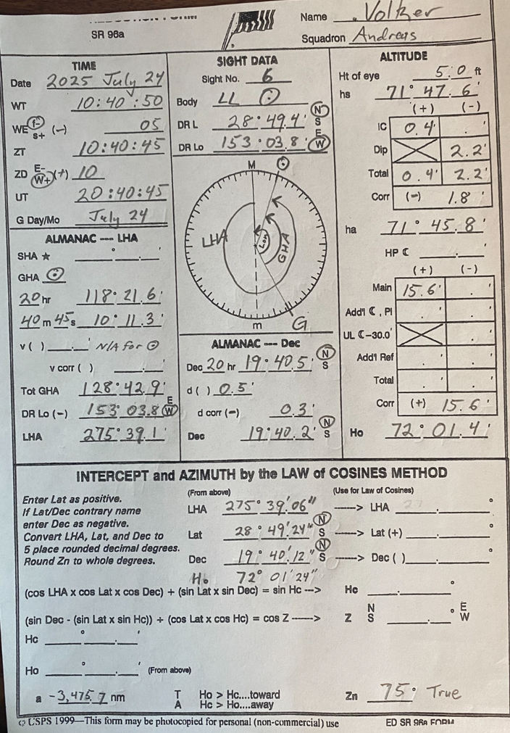

5
Intercept & Azimuth by Law of Cosines |  |  |  |  |  |  |  | Body | Moon LL
Celestial Sight Reduction Program, a GPL licensed Excel spreadsheet |  |  |  |  |  |  |  | Date | 2025-07-30
 |  | INPUTS |  |  |  |  |  | UT | 1:15:13
 |  | whole degrees | decimal minutes | Pole | decimal degrees | radians (Excel) | Make copies of this blank tab to use
 |  | ( ° ) | (0.0') | (N/S) | (0.00000° )
 | LHA | 336 | 5.0 |  | 336.08333 | 5.8657607277
 | Lat | 29 | 26.4 |  | 29.44000 | 0.51382493179 | Enter Lat as positive
 | Dec | -11 | 10.5 |  | -10.82500 | -0.18893189153 | If Lat/Dec contrary, then Dec negative
 | Ho | 43 | 42.0 |  | 43.70000 | 0.76270888312

 |  | OUTPUTS
 | Hc | 43 | 36.0 |  | 43.59984 | 0.76096
 |  | a | -6.0 | nm | Away
 |  | Z | 147 | degress | TRUE | 2.5593972912

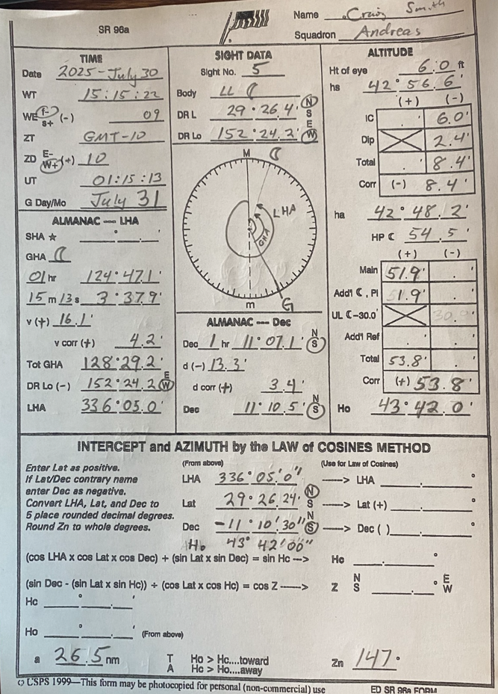

4
Intercept & Azimuth by Law of Cosines |  |  |  |  |  |  |  | Body | Sun LL
Celestial Sight Reduction Program, a GPL licensed Excel spreadsheet |  |  |  |  |  |  |  | Date | 2025-07-23
 |  | INPUTS |  |  |  |  |  | UT | 18:31:01
 |  | whole degrees | decimal minutes | Pole | decimal degrees | radians (Excel)
 |  | ( ° ) | (0.0') | (N/S) | (0.00000° )
 | LHA | 302 | 28.9 |  | 302.48167 | 5.2793010103
 | Lat | 26 | 45.2 |  | 26.75333 | 0.46693375255 | Enter Lat as positive
 | Dec | 19 | 54.6 |  | 19.91000 | 0.34749505407 | If Lat/Dec contrary, then Dec negative
 | Ho | 37 | 6.8 |  | 37.11333 | 0.64774986306

 |  | OUTPUTS
 | Hc | 37 | 10.2 |  | 37.16951 | 0.64873
 |  | a | 3.4 | nm | Away
 |  | Z | 84 | degress | TRUE | 1.4742739632

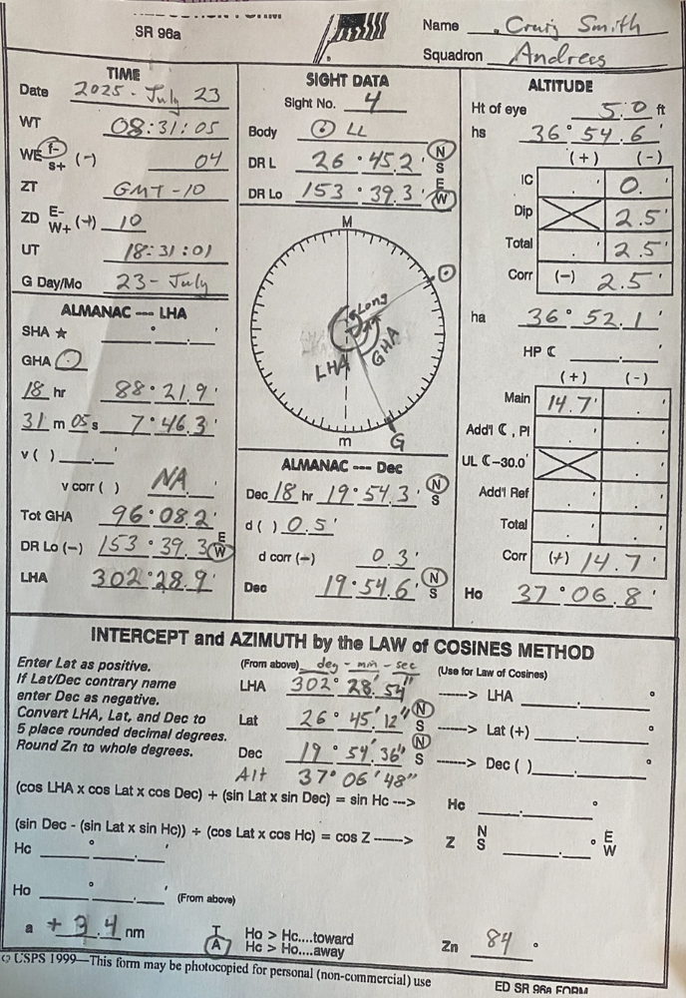

3
Intercept & Azimuth by Law of Cosines |  |  |  |  |  |  |  | Body | Sun LL
Celestial Sight Reduction Program, a GPL licensed Excel spreadsheet |  |  |  |  |  |  |  | Date | 2023-Nov-8
 |  | INPUTS |  |  |  |  |  | UT | 18:09:11
 |  | whole degrees | decimal minutes | Pole | decimal degrees | radians (Excel)
 |  | ( ° ) | (0.0') | (N/S) | (0.00000° )
 | LHA | 30 | 16.0 |  | 30.26667 | 0.52825298694
 | Lat | 24 | 15.1 | N | 24.25150 | 0.42326852355 | Enter Lat as positive
 | Dec | 16 | 38.9 | S | -16.64833 | -0.29056823164 | If Lat/Dec contrary, then Dec negative
 | Ho | 38 | 55.2 |  | 38.92000 | 0.67928214488

 |  | OUTPUTS
 | Hc | 39 | 33.1 |  | 39.55238 | 0.69032
 |  | a | 37.9 | nm | Away
 |  | Z | 141 | degress | TRUE | 2.464806304

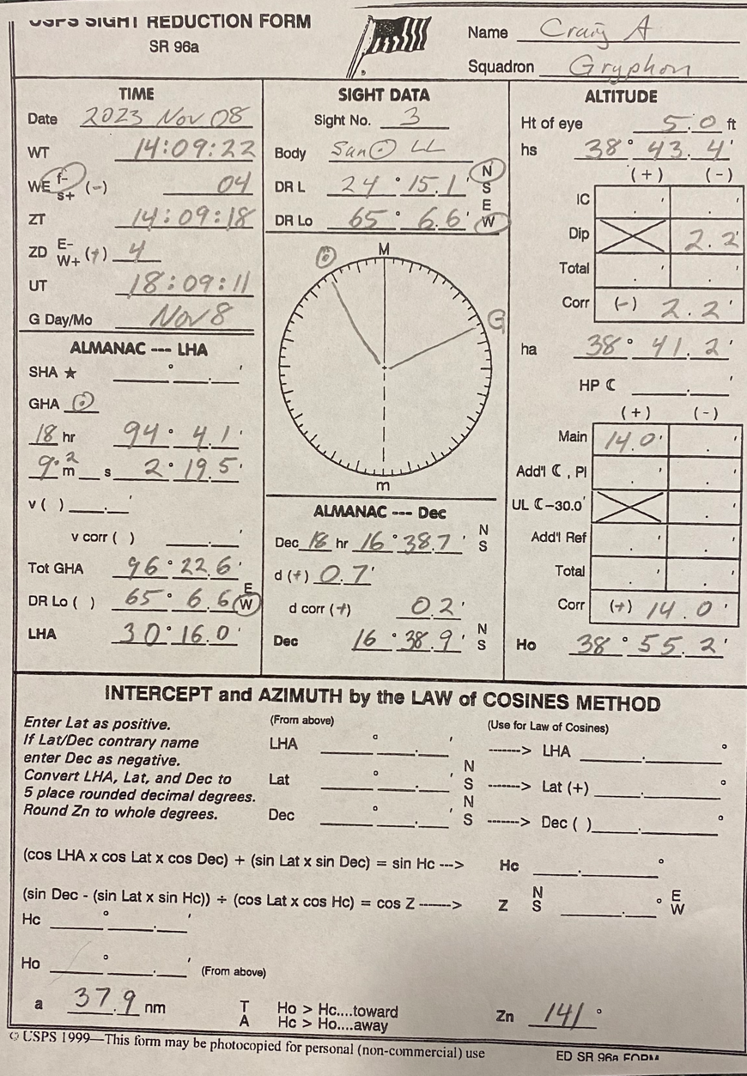

2
Intercept & Azimuth by Law of Cosines |  |  |  |  |  |  |  | Body | Moon UL
Celestial Sight Reduction Program, a GPL licensed Excel spreadsheet |  |  |  |  |  |  |  | Date | 2023-Nov-8
 |  | INPUTS |  |  |  |  |  | UT | 17:11:40 GMT
 |  | whole degrees | decimal minutes | Pole | decimal degrees | radians (Excel)
 |  | ( ° ) | (0.0') | (N/S) | (0.00000° )
 | LHA | 63 | 27.7 |  | 63.46167 | 1.1076150321
 | Lat | 24 | 20.7 | N | 24.34450 | 0.42489167975 | Enter Lat as positive
 | Dec | 5 | 43.4 | N | 5.72333 | 0.099891010856 | If Lat/Dec contrary, then Dec negative
 | Ho | 22 | 39.5 |  | 22.65833 | 0.39546251968

 |  | OUTPUTS
 | Hc | 26 | 29.8 |  | 26.49684 | 0.46246
 |  | a | 230.3 | nm | Away
 |  | Z | 96 | degress TRUE |  | 1.6742295042

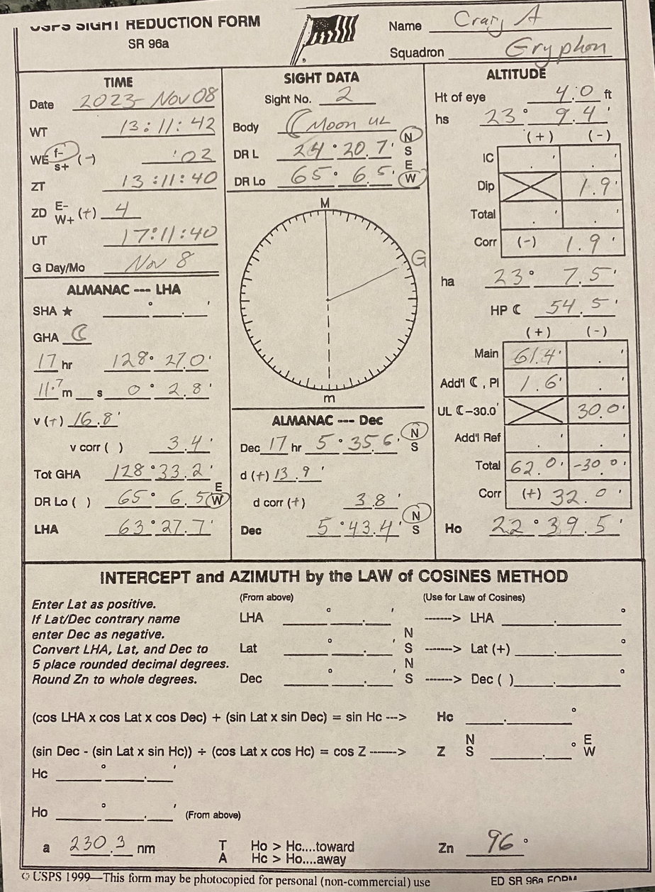

1
Intercept & Azimuth by Law of Cosines |  |  |  |  |  |  |  | Body | Sun LL
Celestial Sight Reduction Program, a GPL licensed Excel spreadsheet |  |  |  |  |  |  |  | Date | 2023-Nov-7
 |  | INPUTS |  |  |  |  |  | UT | 15:27:45 GMT
 |  | whole degrees | decimal minutes | Pole | decimal degrees | radians (Excel)
 |  | ( ° ) | (0.0') | (N/S) | (0.00000° )
 | LHA | 9 | 43.3 |  | 9.72167 | 0.16967509211
 | Lat | 26 | 24.0 | N | 26.39983 | 0.46076401364 | Enter Lat as positive
 | Dec | 16 | 16.3 | S | -16.27167 | -0.28399415812 | If Lat/Dec contrary, then Dec negative
 | Ho | 46 | 13.0 |  | 46.21717 | 0.80664172928

 |  | OUTPUTS
 | Hc | 46 | 17.7 |  | 46.29479 | 0.80800
 |  | a | 4.7 | nm | Away
 |  | Z | 166 | degress | TRUE | 2.9047830009

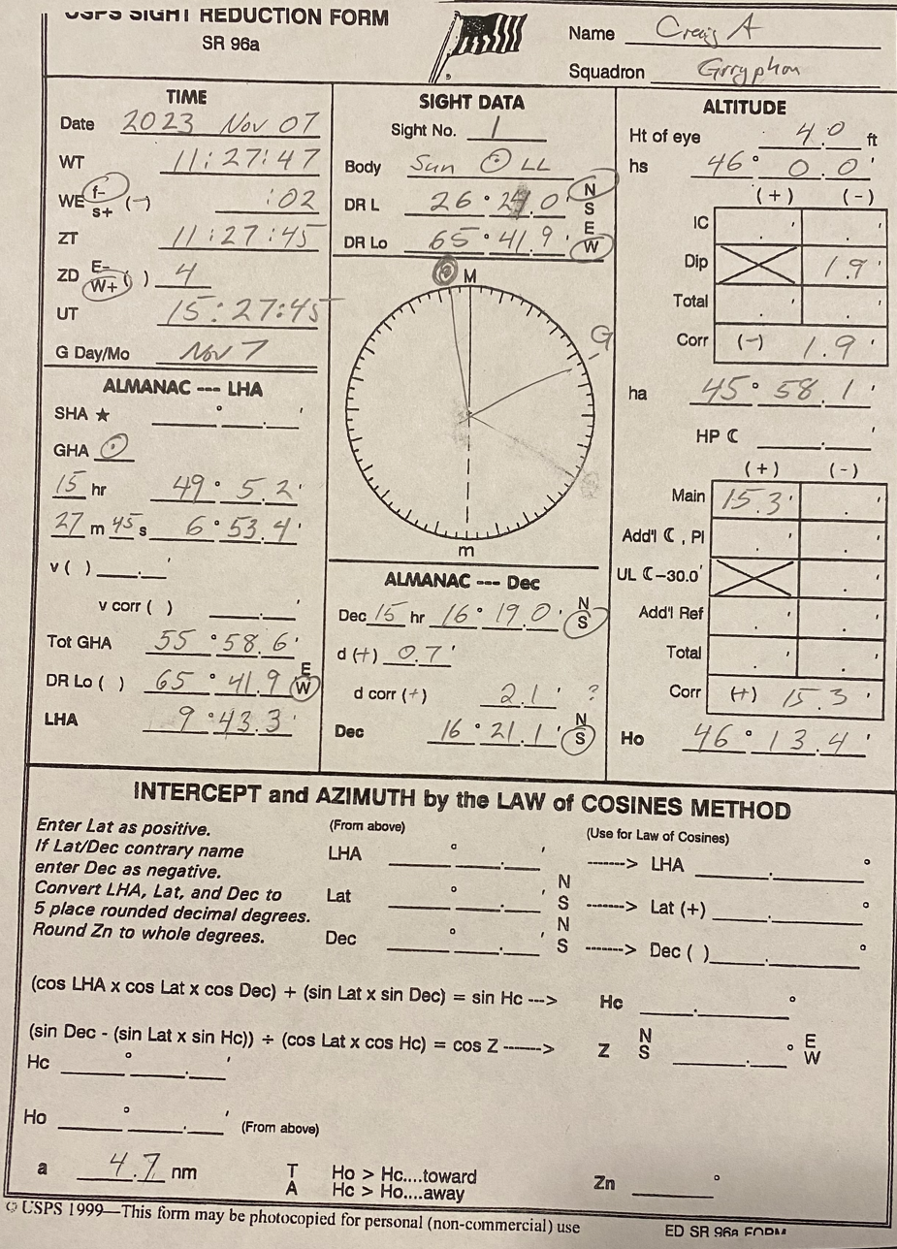

2023
2023 Nov 7-8

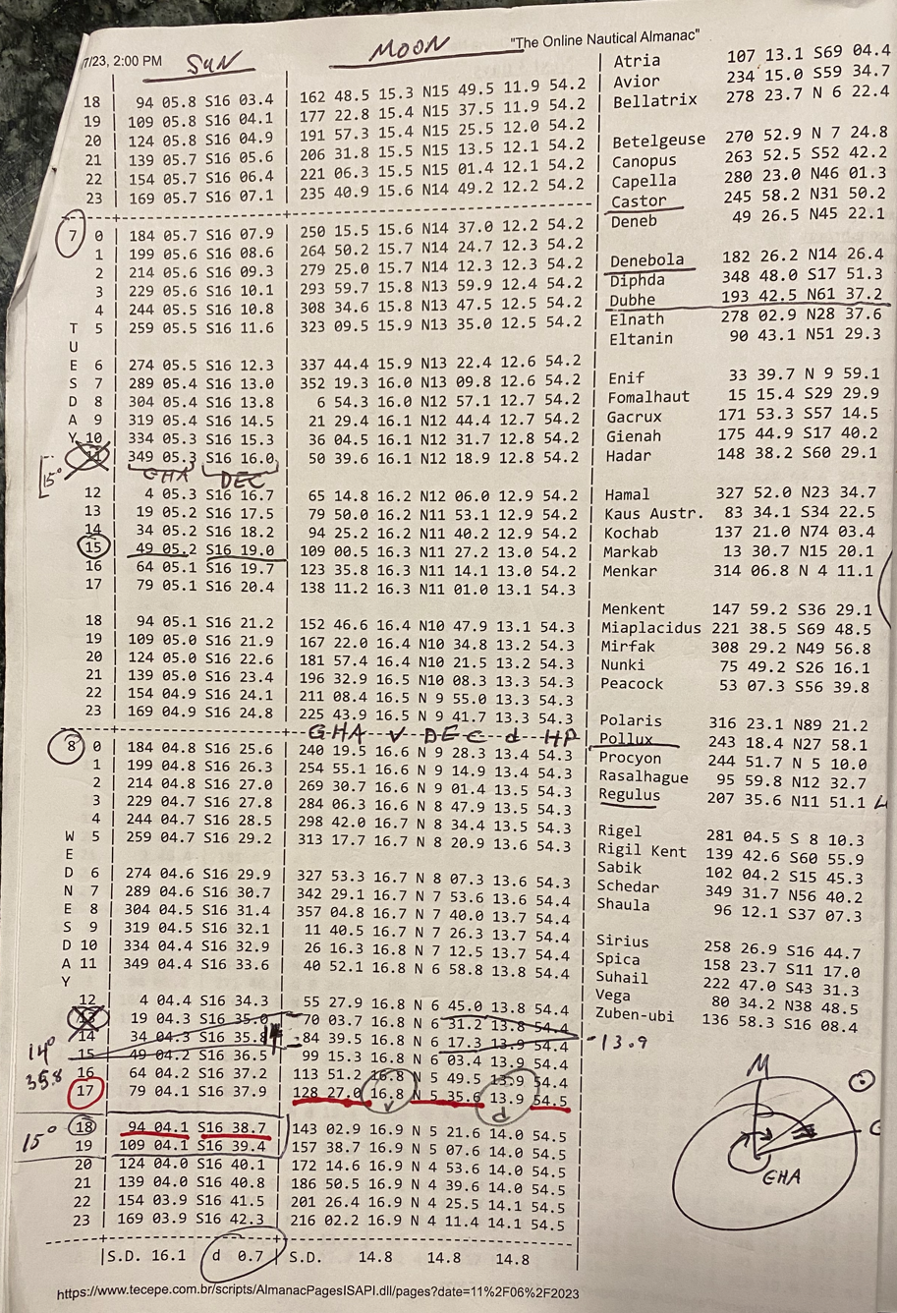

track
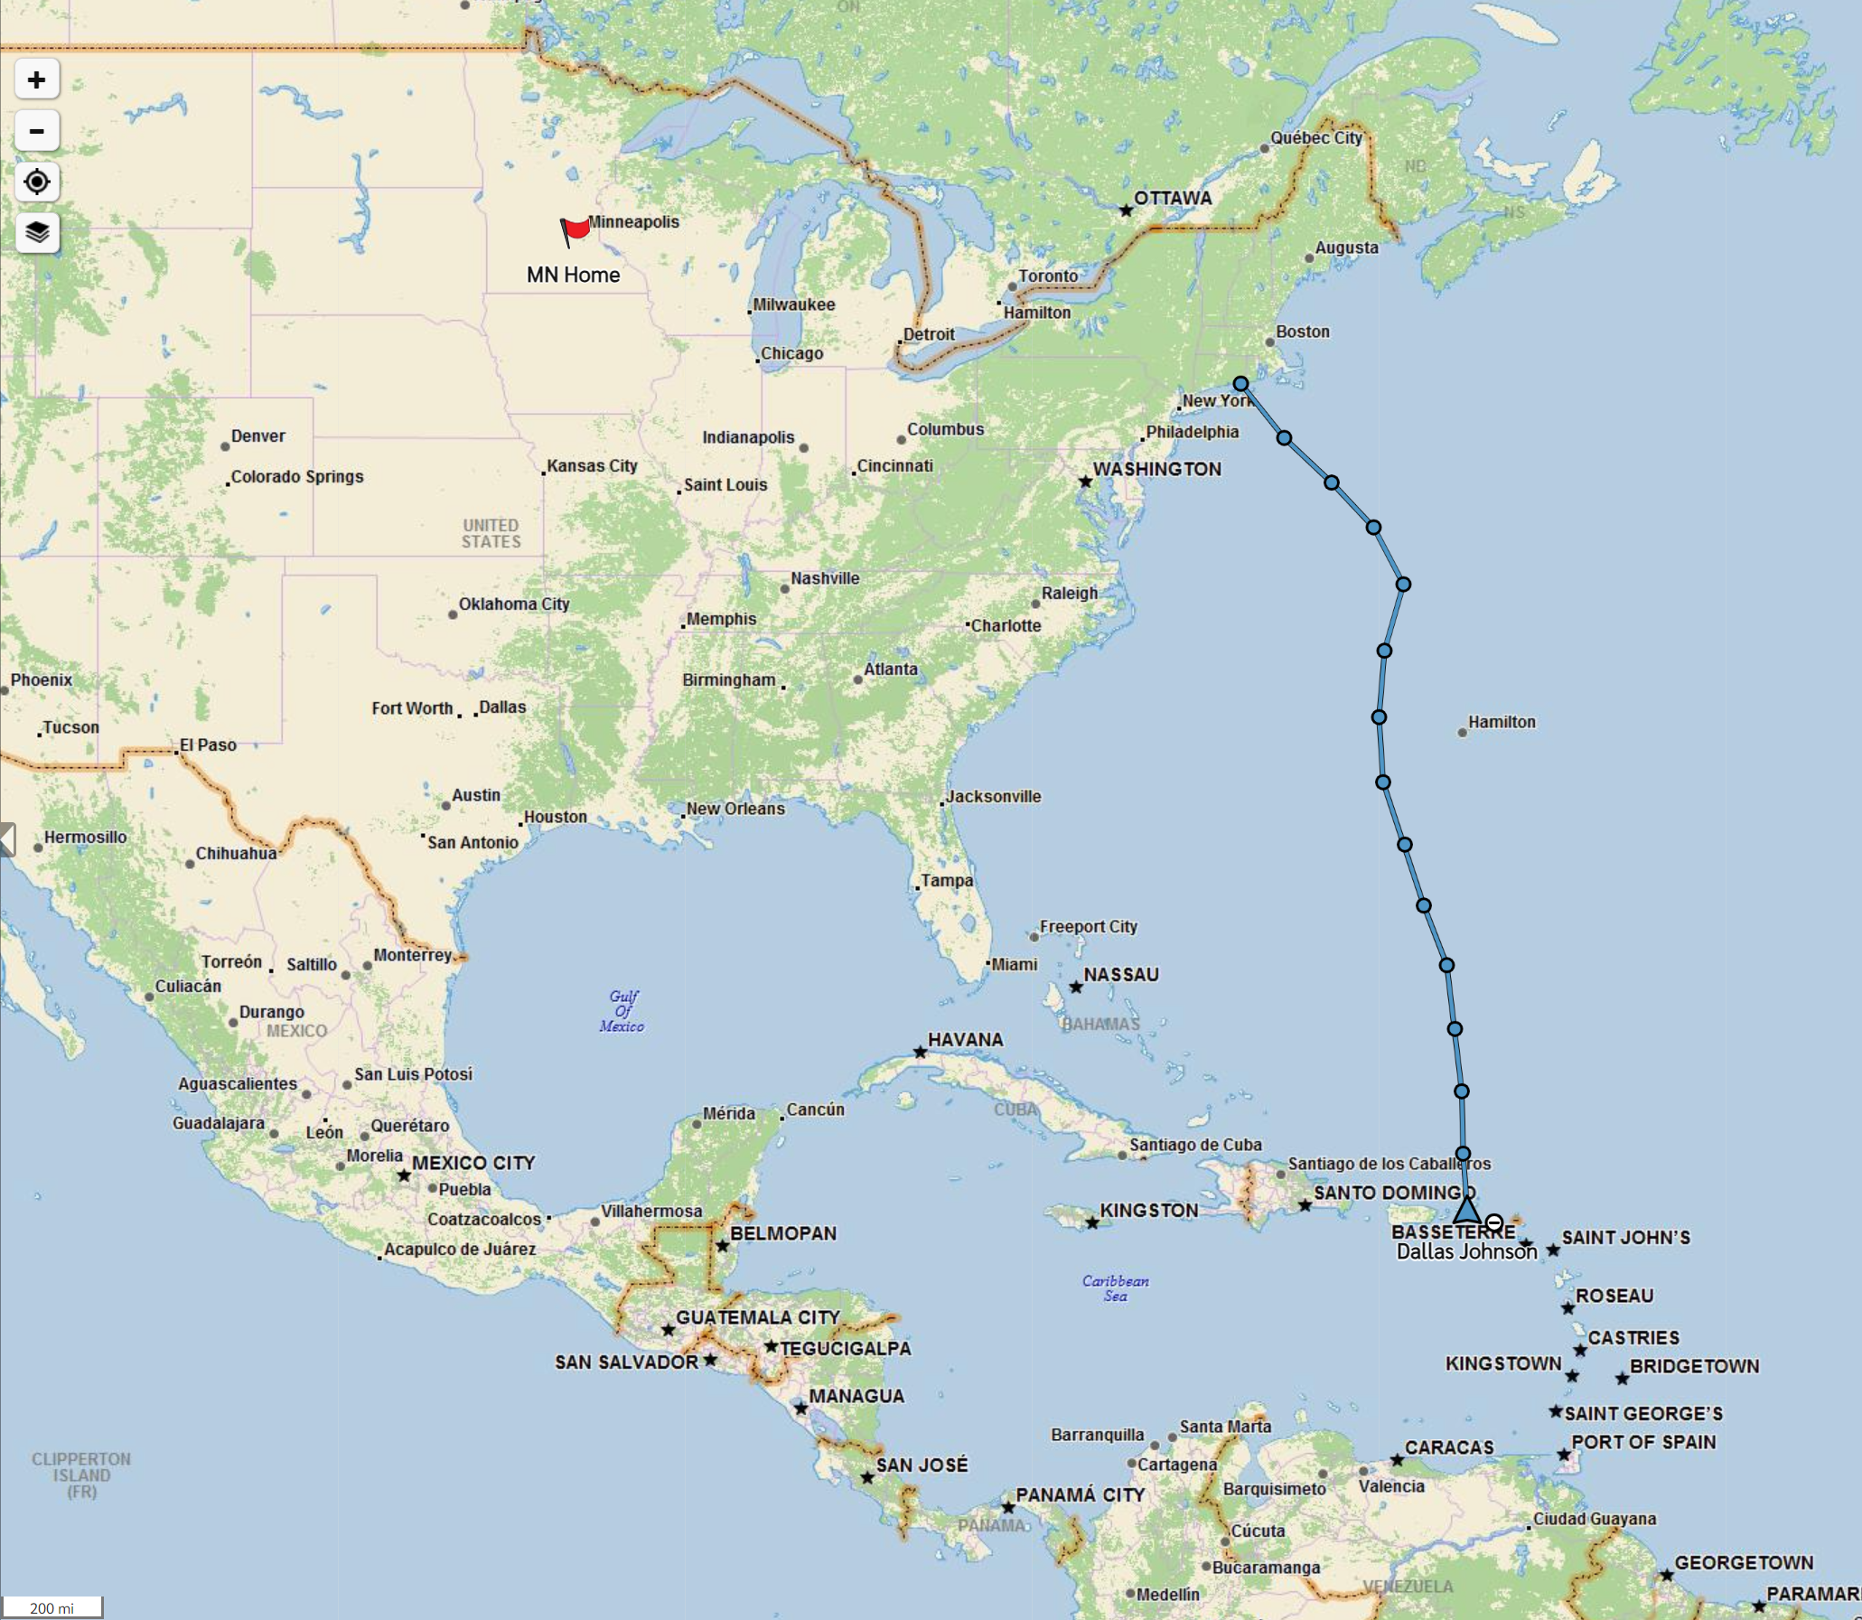

Sirus example
Intercept & Azimuth by Law of Cosines |  |  |  |  |  |  |  | Body
Celestial Sight Reduction Program, a GPL licensed Excel spreadsheet |  |  |  |  |  |  |  | Date
 |  | INPUTS |  |  |  |  |  | UT
 |  | whole degrees | decimal minutes | Pole | decimal degrees | radians (Excel)
 |  | ( ° ) | (0.0') | (N/S) | (0.00000° )
 | LHA | 348 | 41.6 |  | 348.69333 | 6.0858467464
 | Lat | 45 | 0.0 | N | 45.00000 | 0.7853981634 | Enter Lat as positive
 | Dec | 16 | 44.3 | S | -16.73833 | -0.29213902796 | If Lat/Dec contrary, then Dec negative
 | Ho | 27 | 29.8 |  | 27.49667 | 0.47990736666

 |  | OUTPUTS
 | Hc | 27 | 24.6 |  | 27.41014 | 0.47840
 |  | a | -5.2 | nm | Towards
 |  | Z | 168 | degress | TRUE | 2.928486174

